Games Cue Sheets
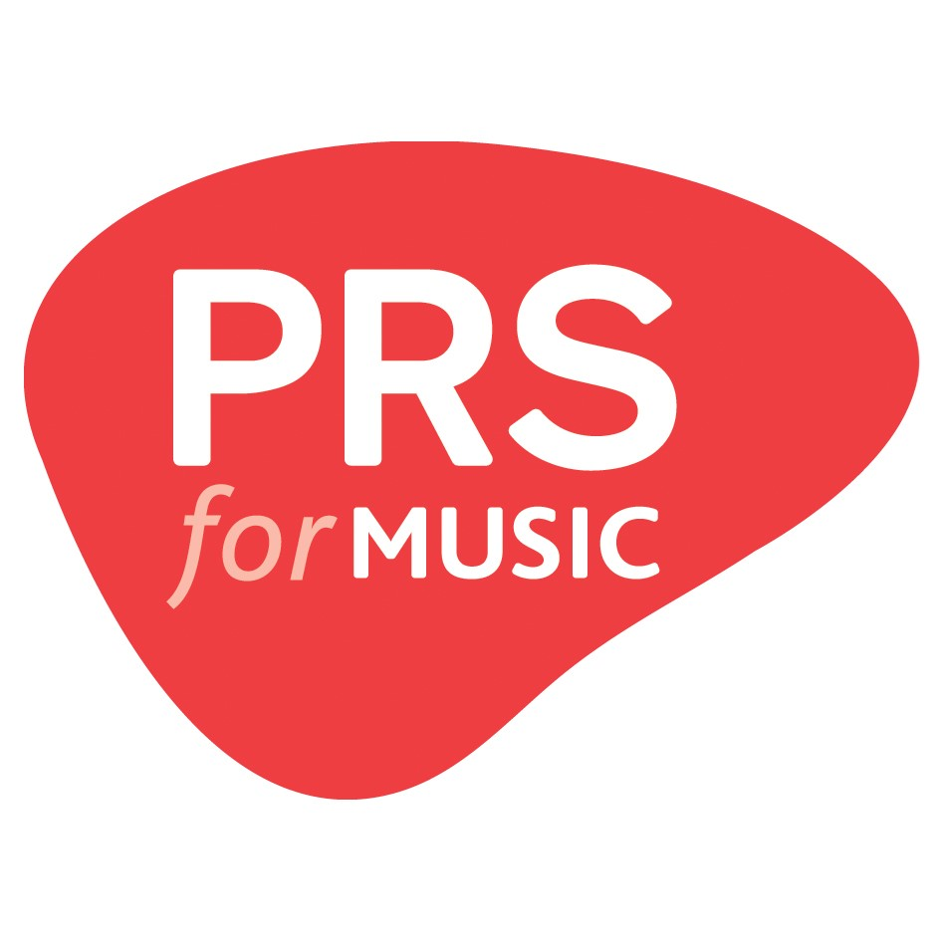 Cue sheet: Sony PlayStation games 2018 to 2019 Required information is in bold below Hover over the titles below for definitions Fill out one row per unique piece of music. If you're claiming royalties for music used in multiple games, you can do so within this sheet.
Production ID | Production Title | Sequence Number | Music Title | Composer(s) | Publisher(s) | Artist/ Performer | Duration (Minutes Seconds) MMMM SS | Product Catalogue Number | Music Usage | Music Source | Music specially commissioned? (Y/N) | Tunecode

